Data
OTHER TEMPLATES
 | SOMEKA INFO LISTS |  |  |  | For unique Excel templates, click →
 | FORBES GLOBAL 2000 LIST - 2018 VERSION |  |  |  | Contact us at: info@someka.net |  | ↓ CLICK TO SEE EXCEL ORG CHART MAKER ↓

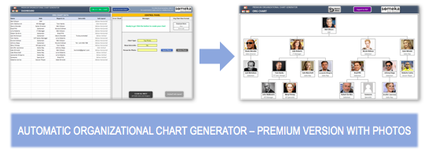
DISCLAIMER: |  | This list is officially published by Forbes Magazine at: https://www.forbes.com/global2000/list. Forbes Media LLC. has full rights to sell or distribute the Full List. Someka is not associated with Forbes Media LLC.

 |  | Company Info | KEY FINANCIALS
Rank | Company Name | Country | Revenues ($millions) | Profits ($millions) | Assets ($millions) | Market Value As of 3/29/18 ($m)
1 | ICBC | China | $165,300 | $43,700.0 | $4,210,900 | $311,000
2 | China Construction Bank | China | $143,200 | $37,200.0 | $3,631,600 | $261,200
3 | JPMorgan Chase | United States | $118,200 | $26,500.0 | $2,609,800 | $387,700
4 | Berkshire Hathaway | United States | $235,200 | $39,700.0 | $702,700 | $491,900
5 | Agricultural Bank of China | China | $129,300 | $29,600.0 | $3,439,300 | $184,100
6 | Bank of America | United States | $103,000 | $20,300.0 | $2,328,500 | $313,500
7 | Wells Fargo | United States | $102,100 | $21,700.0 | $1,915,400 | $265,300
8 | Apple | United States | $247,500 | $53,300.0 | $367,500 | $926,900
9 | Bank of China | China | $118,200 | $26,400.0 | $3,204,200 | $158,600
10 | Ping An Insurance Group | China | $141,600 | $13,900.0 | $1,066,400 | $181,400
11 | Royal Dutch Shell | Netherlands | $321,800 | $15,200.0 | $410,700 | $306,500
12 | Toyota Motor | Japan | $265,200 | $22,500.0 | $473,000 | $200,700
13 | ExxonMobil | United States | $230,100 | $20,400.0 | $348,800 | $344,100
14 | Samsung Electronics | South Korea | $224,600 | $41,000.0 | $293,200 | $325,900
15 | AT&T | United States | $159,200 | $30,600.0 | $446,300 | $198,300
16 | Volkswagen Group | Germany | $272,000 | $13,100.0 | $531,400 | $101,400
17 | HSBC Holdings | United Kingdom | $63,200 | $10,800.0 | $2,652,100 | $200,300
18 | Verizon Communications | United States | $128,000 | $31,200.0 | $264,500 | $200,900
19 | BNP Paribas | France | $117,800 | $8,500.0 | $2,353,900 | $93,600
20 | Microsoft | United States | $103,300 | $14,200.0 | $245,500 | $750,600
21 | Chevron | United States | $139,400 | $10,200.0 | $256,400 | $248,100
22 | Allianz | Germany | $122,500 | $7,700.0 | $1,128,600 | $100,400
23 | Alphabet | United States | $117,900 | $16,600.0 | $206,900 | $766,400
24 | Walmart | United States | $500,300 | $9,900.0 | $204,500 | $246,200
25 | China Mobile | Hong Kong | $109,500 | $16,900.0 | $233,700 | $192,600
26 | Total | France | $155,800 | $8,400.0 | $257,000 | $168,000
27 | Sinopec | China | $326,600 | $8,000.0 | $249,900 | $138,600
28 | UnitedHealth Group | United States | $207,600 | $11,200.0 | $155,600 | $229,000
29 | Daimler | Germany | $193,200 | $11,800.0 | $323,200 | $85,700
30 | PetroChina | China | $282,400 | $4,100.0 | $381,100 | $220,200
31 | Banco Santander | Spain | $56,100 | $8,000.0 | $1,769,100 | $106,300
32 | China Merchants Bank | China | $49,900 | $11,000.0 | $993,700 | $112,400
33 | AXA Group | France | $149,900 | $6,700.0 | $1,029,100 | $64,100
34 | Comcast | United States | $86,900 | $23,300.0 | $190,900 | $146,800
35 | China Life Insurance | China | $97,100 | $6,000.0 | $474,200 | $104,100
36 | BP | United Kingdom | $251,900 | $4,300.0 | $275,300 | $152,600
37 | Mitsubishi UFJ Financial | Japan | $51,800 | $8,900.0 | $2,774,200 | $86,200
38 | Bank of Communications | China | $59,100 | $10,700.0 | $1,472,900 | $66,600
39 | Softbank | Japan | $82,600 | $9,200.0 | $293,200 | $84,900
40 | BMW Group | Germany | $114,400 | $10,200.0 | $241,300 | $72,300
41 | Anheuser-Busch InBev | Belgium | $56,400 | $7,900.0 | $248,600 | $184,300
42 | Royal Bank of Canada | Canada | $40,500 | $8,800.0 | $1,040,300 | $113,400
43 | Gazprom | Russia | $112,200 | $12,200.0 | $316,800 | $57,800
44 | Pfizer | United States | $52,700 | $21,700.0 | $164,600 | $207,700
45 | Itaú Unibanco Holding | Brazil | $62,300 | $7,500.0 | $437,600 | $87,000
46 | Nippon Telegraph & Tel | Japan | $104,800 | $7,700.0 | $191,100 | $96,100
47 | Sberbank | Russia | $46,300 | $13,400.0 | $470,900 | $86,300
48 | Nestle | Switzerland | $91,200 | $7,300.0 | $133,800 | $237,300
49 | Intel | United States | $64,000 | $11,100.0 | $128,600 | $254,800
50 | Morgan Stanley | United States | $45,600 | $6,900.0 | $858,500 | $97,700
51 | Siemens | Germany | $94,500 | $7,100.0 | $163,400 | $112,500
52 | Boeing | United States | $95,800 | $9,200.0 | $113,500 | $199,500
53 | Amazon.com | United States | $193,200 | $3,900.0 | $126,400 | $777,800
54 | TD Bank Group | Canada | $35,700 | $7,900.0 | $1,028,100 | $107,800
55 | Procter & Gamble | United States | $66,400 | $10,100.0 | $124,400 | $184,500
56 | ING Group | Netherlands | $56,600 | $5,500.0 | $1,016,100 | $62,200
57 | Postal Savings Bank Of China | China | $56,100 | $7,600.0 | $1,466,600 | $55,300
58 | Honda Motor | Japan | $138,600 | $9,600.0 | $181,900 | $58,900
59 | Sumitomo Mitsui Financial | Japan | $49,100 | $7,200.0 | $1,847,700 | $58,300
60 | Goldman Sachs Group | United States | $43,700 | $4,900.0 | $973,500 | $91,800
61 | Intesa Sanpaolo | Italy | $42,500 | $8,300.0 | $956,900 | $63,100
62 | Industrial Bank | China | $48,000 | $8,800.0 | $1,023,100 | $53,500
63 | Novartis | Switzerland | $50,300 | $8,100.0 | $135,500 | $203,000
64 | Glencore International | Switzerland | $205,400 | $5,800.0 | $135,600 | $75,500
65 | Banco Bradesco | Brazil | $76,500 | $4,700.0 | $370,500 | $61,300
66 | Prudential | United Kingdom | $111,500 | $3,100.0 | $655,100 | $67,800
67 | Ford Motor | United States | $159,600 | $7,800.0 | $267,200 | $44,600
68 | IBM | United States | $80,100 | $5,700.0 | $125,300 | $132,300
69 | CVS Health | United States | $185,900 | $6,600.0 | $135,100 | $65,500
70 | Shanghai Pudong Development | China | $48,300 | $8,200.0 | $974,800 | $50,700
71 | Commonwealth Bank | Australia | $33,000 | $7,600.0 | $752,400 | $93,500
72 | Walt Disney | United States | $56,800 | $11,500.0 | $97,900 | $152,100
73 | Prudential Financial | United States | $61,100 | $7,800.0 | $829,700 | $42,000
74 | Rosneft | Russia | $94,800 | $3,900.0 | $214,200 | $69,000
75 | Enel | Italy | $86,700 | $4,600.0 | $193,600 | $61,600
76 | Citic Pacific | Hong Kong | $57,800 | $5,600.0 | $962,100 | $44,400
77 | Facebook | United States | $44,600 | $17,800.0 | $88,900 | $541,500
78 | MetLife | United States | $64,100 | $4,400.0 | $712,600 | $47,500
79 | Deutsche Telekom | Germany | $84,500 | $3,900.0 | $179,100 | $80,800
80 | SAIC Motor | China | $136,600 | $5,400.0 | $118,400 | $63,800
81 | Alibaba | China | $37,900 | $9,600.0 | $114,000 | $499,400
82 | BASF | Germany | $75,100 | $7,100.0 | $98,900 | $95,300
83 | Reliance Industries | India | $60,800 | $5,600.0 | $125,200 | $93,100
84 | China State Construction Engineering | China | $162,300 | $5,100.0 | $257,600 | $40,400
85 | China Citic Bank | China | $43,600 | $6,500.0 | $894,000 | $46,500
86 | Sony | Japan | $77,100 | $4,400.0 | $179,300 | $59,900
87 | Westpac Banking Group | Australia | $29,400 | $6,400.0 | $668,800 | $76,200
88 | Bank of Nova Scotia | Canada | $28,800 | $6,500.0 | $752,500 | $75,000
89 | British American Tobacco | United Kingdom | $26,100 | $48,300.0 | $190,800 | $120,000
90 | China Minsheng Banking | China | $42,700 | $7,400.0 | $954,000 | $43,500
91 | Equinor | Norway | $65,100 | $4,900.0 | $115,400 | $90,200
92 | AIA Group | Hong Kong | $31,900 | $6,100.0 | $213,200 | $111,400
93 | Roche Holding | Switzerland | $54,200 | $8,800.0 | $78,700 | $189,700
94 | Lloyds Banking Group | United Kingdom | $33,600 | $4,000.0 | $1,098,600 | $65,400
95 | Eni | Italy | $75,500 | $3,900.0 | $143,100 | $70,700
96 | Charter Communications | United States | $42,100 | $9,900.0 | $146,200 | $64,800
97 | Nissan Motor | Japan | $106,900 | $7,400.0 | $173,700 | $39,700
98 | LukOil | Russia | $99,900 | $7,200.0 | $92,000 | $60,400
99 | United Technologies | United States | $61,200 | $4,500.0 | $98,800 | $99,600
100 | Bayer | Germany | $44,400 | $8,400.0 | $92,700 | $104,600
101 | AIRBUS | Netherlands | $74,700 | $3,000.0 | $138,300 | $92,100
102 | PepsiCo | United States | $64,000 | $4,900.0 | $81,900 | $138,100
103 | Unilever | Netherlands | $60,600 | $6,800.0 | $72,400 | $155,800
104 | ANZ | Australia | $28,700 | $5,300.0 | $717,300 | $61,200
105 | Hon Hai Precision | Taiwan | $154,700 | $4,600.0 | $114,500 | $49,500
106 | Tencent Holdings | China | $35,300 | $10,600.0 | $85,200 | $491,300
107 | Oracle | United States | $39,500 | $3,700.0 | $138,200 | $191,100
108 | BHP Billiton | Australia | $41,200 | $4,700.0 | $112,600 | $133,200
109 | US Bancorp | United States | $24,100 | $6,400.0 | $460,100 | $84,600
110 | Zurich Insurance Group | Switzerland | $64,100 | $3,000.0 | $401,100 | $48,000
111 | Rio Tinto | United Kingdom | $40,000 | $8,700.0 | $95,700 | $99,300
112 | Mitsubishi | Japan | $68,300 | $5,100.0 | $150,800 | $46,400
113 | UniCredit Group | Italy | $29,000 | $6,100.0 | $1,004,800 | $47,800
114 | Mizuho Financial | Japan | $29,700 | $5,100.0 | $1,850,400 | $46,200
115 | EDF | France | $78,500 | $2,900.0 | $337,100 | $43,000
116 | BBVA-Banco Bilbao Vizcaya | Spain | $29,200 | $4,300.0 | $843,000 | $54,500
117 | Sanofi | France | $39,500 | $4,300.0 | $119,900 | $94,900
118 | Taiwan Semiconductor | Taiwan | $33,100 | $11,500.0 | $70,300 | $203,000
119 | American Express | United States | $37,600 | $3,100.0 | $180,000 | $87,300
120 | Saudi Basic Industries | Saudi Arabia | $41,900 | $5,000.0 | $90,500 | $91,800
121 | Home Depot | United States | $100,900 | $8,600.0 | $44,500 | $219,400
122 | DowDuPont | United States | $80,600 | $1,700.0 | $192,400 | $155,300
123 | Telefónica | Spain | $59,700 | $3,400.0 | $141,200 | $51,100
124 | Walgreens Boots Alliance | United States | $124,000 | $4,100.0 | $70,800 | $63,600
125 | National Australia Bank | Australia | $25,600 | $4,100.0 | $610,600 | $58,200
126 | Kraft Heinz Company | United States | $26,200 | $11,100.0 | $120,800 | $72,200
127 | China Evergrande Group | China | $46,000 | $3,600.0 | $270,500 | $42,000
128 | Fiat Chrysler Automobiles | United Kingdom | $128,800 | $4,500.0 | $117,600 | $35,000
129 | Anthem | United States | $90,100 | $4,100.0 | $73,300 | $59,200
130 | Chubb | Switzerland | $32,600 | $3,900.0 | $168,800 | $63,400
131 | China Shenhua Energy | China | $36,400 | $6,700.0 | $91,200 | $64,600
132 | Vale | Brazil | $34,100 | $4,600.0 | $94,400 | $77,400
133 | China Vanke | China | $36,600 | $4,200.0 | $194,600 | $43,800
134 | PNC Financial Services | United States | $18,500 | $5,500.0 | $379,200 | $70,900
135 | Renault | France | $66,300 | $5,800.0 | $132,000 | $30,800
136 | Generali Group | Italy | $93,100 | $2,400.0 | $647,200 | $30,800
137 | AbbVie | United States | $29,600 | $6,400.0 | $69,300 | $165,300
138 | China Pacific Insurance | China | $50,900 | $2,500.0 | $191,100 | $48,000
139 | Bank of Montreal | Canada | $22,200 | $3,700.0 | $593,300 | $50,900
140 | Banco do Brasil | Brazil | $55,000 | $3,400.0 | $412,800 | $27,800
141 | China Everbright Bank | China | $30,300 | $4,800.0 | $661,700 | $32,200
142 | CK Hutchison | Hong Kong | $31,900 | $4,500.0 | $140,700 | $45,400
143 | Country Garden Holdings | China | $33,800 | $3,900.0 | $161,200 | $45,200
144 | KDDI | Japan | $45,500 | $5,200.0 | $61,800 | $65,500
145 | Johnson & Johnson | United States | $78,700 | $1,200.0 | $156,600 | $341,300
146 | Iberdrola | Spain | $37,800 | $3,300.0 | $138,000 | $49,400
147 | Hyundai Motor | South Korea | $85,900 | $3,000.0 | $164,700 | $31,600
148 | Credit Agricole | France | $21,100 | $3,600.0 | $1,861,600 | $43,900
149 | Hitachi | Japan | $84,500 | $3,300.0 | $95,000 | $38,500
150 | Christian Dior | France | $49,300 | $2,500.0 | $87,400 | $76,400
151 | Phillips 66 | United States | $92,700 | $5,100.0 | $52,100 | $54,900
152 | ArcelorMittal | Luxembourg | $68,600 | $4,600.0 | $85,300 | $36,800
153 | United Parcel Service | United States | $67,700 | $5,100.0 | $44,500 | $99,700
154 | Medtronic | Ireland | $29,700 | $2,800.0 | $95,800 | $116,000
155 | FedEx | United States | $63,900 | $4,500.0 | $51,900 | $67,000
156 | PTT PCL | Thailand | $58,800 | $3,900.0 | $68,500 | $50,900
157 | VINCI | France | $46,100 | $3,100.0 | $83,800 | $56,800
158 | CNOOC | Hong Kong | $27,600 | $3,600.0 | $94,800 | $78,800
159 | Capital One Financial | United States | $30,600 | $2,500.0 | $362,900 | $45,100
160 | Time Warner | United States | $31,500 | $5,500.0 | $69,000 | $73,400
161 | Société Générale | France | $27,800 | $2,600.0 | $1,531,200 | $38,300
162 | Bank of New York Mellon | United States | $17,300 | $4,300.0 | $373,600 | $57,800
163 | UBS | Switzerland | $40,300 | $1,500.0 | $960,100 | $61,800
164 | Visa | United States | $19,400 | $9,000.0 | $69,000 | $295,100
165 | Brookfield Asset Management | Canada | $47,600 | $2,300.0 | $195,900 | $38,900
166 | Caterpillar | United States | $48,500 | $2,200.0 | $78,000 | $92,600
167 | Aetna | United States | $60,600 | $3,500.0 | $59,200 | $57,100
168 | Royal Bank of Scotland | United Kingdom | $21,500 | $2,500.0 | $1,036,000 | $47,900
169 | China Communications Construction | China | $71,200 | $3,000.0 | $135,600 | $28,800
170 | McKesson | United States | $205,400 | $4,800.0 | $64,200 | $30,800
171 | Aviva | United Kingdom | $63,700 | $1,900.0 | $580,600 | $29,500
172 | Express Scripts | United States | $100,200 | $4,600.0 | $53,400 | $40,900
173 | Valero Energy | United States | $98,600 | $4,200.0 | $49,400 | $49,400
174 | China Telecom | China | $54,200 | $2,700.0 | $101,500 | $38,600
175 | Union Pacific | United States | $21,600 | $11,000.0 | $57,800 | $109,700
176 | Duke Energy | United States | $24,000 | $3,000.0 | $138,500 | $56,200
177 | Jardine Matheson | Hong Kong | $39,500 | $3,800.0 | $82,800 | $44,200
178 | Enbridge | Canada | $33,600 | $2,200.0 | $129,400 | $57,200
179 | Exelon | United States | $34,500 | $3,400.0 | $117,000 | $39,200
180 | ENGIE | France | $73,300 | $1,600.0 | $180,500 | $41,800
181 | SAP | Germany | $27,400 | $4,900.0 | $51,000 | $138,900
182 | NextEra Energy | United States | $16,400 | $8,200.0 | $94,300 | $75,800
183 | Mitsui | Japan | $44,100 | $3,800.0 | $106,300 | $30,300
184 | Manulife | Canada | $40,100 | $1,700.0 | $549,700 | $38,500
185 | Allstate | United States | $38,000 | $3,500.0 | $113,300 | $33,900
186 | BlackRock | United States | $13,400 | $5,200.0 | $216,000 | $86,600
187 | Legal & General Group | United Kingdom | $52,100 | $2,400.0 | $676,600 | $22,600
188 | China Railway Group | China | $106,000 | $2,500.0 | $132,600 | $25,300
189 | Costco Wholesale | United States | $136,000 | $3,000.0 | $38,700 | $85,900
190 | Tokio Marine Holdings | Japan | $47,600 | $1,800.0 | $206,900 | $35,900
191 | Merck & Co. | United States | $40,800 | $1,600.0 | $86,000 | $160,600
192 | Orange | France | $46,400 | $1,800.0 | $115,700 | $48,300
193 | Philip Morris International | United States | $29,600 | $6,000.0 | $43,100 | $126,200
194 | Dai-ichi Life Insurance | Japan | $57,600 | $2,200.0 | $482,000 | $22,800
195 | Aflac | United States | $21,800 | $4,700.0 | $147,400 | $35,000
196 | Canadian Imperial Bank | Canada | $16,600 | $3,600.0 | $478,400 | $40,000
197 | Gilead Sciences | United States | $24,800 | $3,500.0 | $65,400 | $86,000
198 | Twenty-First Century Fox | United States | $29,200 | $4,000.0 | $54,000 | $70,300
199 | Nordea Bank | Sweden | $15,200 | $3,500.0 | $713,500 | $43,000
200 | Broadcom | United States | $18,800 | $7,800.0 | $54,500 | $100,000
201 | SK Hynix | South Korea | $29,300 | $10,700.0 | $46,100 | $56,800
202 | HDFC Bank | India | $15,700 | $2,900.0 | $169,100 | $77,600
203 | Suncor Energy | Canada | $25,700 | $3,000.0 | $70,800 | $65,100
204 | Continental | Germany | $51,400 | $3,500.0 | $47,800 | $53,200
205 | Deutsche Post | Germany | $68,200 | $3,100.0 | $46,700 | $50,800
206 | Itochu | Japan | $49,700 | $3,600.0 | $81,500 | $28,800
207 | L'Oréal Group | France | $29,400 | $4,300.0 | $42,400 | $134,200
208 | Lockheed Martin | United States | $51,600 | $2,400.0 | $46,600 | $92,500
209 | Coca-Cola | United States | $33,700 | $1,400.0 | $93,300 | $179,300
210 | Honeywell International | United States | $41,400 | $1,800.0 | $60,900 | $110,100
211 | Lowe's | United States | $68,600 | $3,400.0 | $35,300 | $72,200
212 | Mondelez International | United States | $26,200 | $3,200.0 | $64,500 | $57,900
213 | AstraZeneca | United Kingdom | $22,400 | $3,000.0 | $63,400 | $90,600
214 | 3M | United States | $32,300 | $4,100.0 | $38,600 | $121,800
215 | Amgen | United States | $23,000 | $2,200.0 | $71,200 | $115,800
216 | Marathon Petroleum | United States | $71,600 | $3,400.0 | $50,400 | $35,700
217 | Altria Group | United States | $19,600 | $10,700.0 | $43,900 | $104,500
218 | China Railway Construction | China | $103,200 | $2,500.0 | $131,100 | $20,300
219 | KB Financial Group | South Korea | $29,000 | $3,100.0 | $409,200 | $21,700
220 | Cigna | United States | $42,600 | $2,600.0 | $63,100 | $42,300
221 | Micron Technology | United States | $25,900 | $10,000.0 | $41,300 | $60,100
222 | Denso | Japan | $46,100 | $2,900.0 | $54,200 | $40,600
223 | JXTG Holdings | Japan | $92,900 | $3,300.0 | $79,500 | $22,000
224 | Danske Bank | Denmark | $18,300 | $3,000.0 | $583,800 | $29,100
225 | Delta Air Lines | United States | $42,100 | $3,500.0 | $54,100 | $37,100
226 | GlaxoSmithKline | United Kingdom | $39,800 | $1,400.0 | $78,800 | $98,600
227 | People's Insurance | China | $70,000 | $2,400.0 | $147,400 | $20,200
228 | DBS Group | Singapore | $11,800 | $3,400.0 | $404,100 | $56,600
229 | Posco | South Korea | $55,300 | $2,600.0 | $75,600 | $26,800
230 | E.ON | Germany | $43,000 | $4,900.0 | $67,900 | $24,200
231 | Panasonic | Japan | $72,000 | $2,100.0 | $59,200 | $34,900
232 | Fresenius | Germany | $39,300 | $2,100.0 | $65,800 | $44,100
233 | Repsol | Spain | $49,700 | $2,300.0 | $71,600 | $30,200
234 | Travelers | United States | $29,300 | $2,100.0 | $103,700 | $35,500
235 | East Japan Railway | Japan | $26,600 | $2,600.0 | $76,600 | $37,900
236 | Baoshan Iron & Steel | China | $40,700 | $3,100.0 | $56,200 | $31,700
237 | Qatar National Bank | Qatar | $13,800 | $3,700.0 | $228,900 | $36,400
238 | Volvo Group | Sweden | $41,500 | $2,600.0 | $53,100 | $37,100
239 | Danone | France | $27,800 | $2,800.0 | $53,200 | $48,900
240 | Thermo Fisher Scientific | United States | $22,000 | $2,300.0 | $56,600 | $87,100
241 | McDonald's | United States | $22,300 | $5,400.0 | $33,700 | $129,900
242 | Target | United States | $71,900 | $2,900.0 | $39,000 | $37,600
243 | Petrobras | Brazil | $90,000 | $642.0 | $248,000 | $92,600
244 | KBC Group | Belgium | $13,800 | $2,800.0 | $351,000 | $36,000
245 | Midea Group | China | $37,800 | $2,700.0 | $40,100 | $55,700
246 | Shire | Ireland | $15,300 | $4,400.0 | $67,900 | $50,300
247 | HP | United States | $54,200 | $3,900.0 | $35,200 | $37,300
248 | EXOR | Netherlands | $161,800 | $1,600.0 | $196,700 | $18,300
249 | National Grid | United Kingdom | $18,400 | $3,400.0 | $77,300 | $38,500
250 | Central Japan Railway | Japan | $16,400 | $3,600.0 | $83,800 | $38,700
251 | General Dynamics | United States | $31,100 | $2,900.0 | $37,200 | $60,600
252 | Canon | Japan | $36,700 | $2,200.0 | $46,800 | $46,400
253 | Sumitomo | Japan | $43,600 | $2,800.0 | $73,100 | $22,000
254 | Orix | Japan | $25,800 | $2,800.0 | $107,400 | $23,100
255 | BB&T | United States | $12,300 | $2,800.0 | $220,700 | $42,900
256 | Schneider Electric | France | $27,900 | $2,400.0 | $47,900 | $48,400
257 | Air Liquide | France | $23,000 | $2,500.0 | $49,300 | $55,100
258 | Japan Tobacco | Japan | $19,400 | $3,500.0 | $46,500 | $55,000
259 | Peugeot | France | $73,600 | $2,200.0 | $69,800 | $21,400
260 | Cathay Financial | Taiwan | $23,600 | $1,900.0 | $296,900 | $23,100
261 | Anglo American | United Kingdom | $26,200 | $3,200.0 | $54,600 | $32,000
262 | Bank of Beijing | China | $15,900 | $2,900.0 | $380,300 | $23,000
263 | Seven & I Holdings | Japan | $54,200 | $1,600.0 | $51,500 | $38,900
264 | ABB | Switzerland | $35,000 | $2,100.0 | $43,600 | $51,300
265 | Sun Life Financial | Canada | $21,800 | $1,800.0 | $206,000 | $25,900
266 | Oil & Natural Gas | India | $18,700 | $3,100.0 | $65,500 | $35,700
267 | Danaher | United States | $18,800 | $2,600.0 | $47,100 | $71,100
268 | Sun Hung Kai Properties | Hong Kong | $11,300 | $6,900.0 | $87,000 | $46,900
269 | Poly Real Estate | China | $20,500 | $2,400.0 | $121,000 | $25,600
270 | Indian Oil | India | $52,900 | $3,000.0 | $46,600 | $24,400
271 | Deere & Company | United States | $30,500 | $1,400.0 | $66,600 | $47,700
272 | Diageo | United Kingdom | $15,700 | $4,100.0 | $40,700 | $89,400
273 | Charles Schwab | United States | $9,400 | $2,600.0 | $248,300 | $80,200
274 | Shinhan Financial Group | South Korea | $17,600 | $2,500.0 | $406,600 | $21,200
275 | HCA Holdings | United States | $44,400 | $2,700.0 | $37,300 | $35,600
276 | Tesco | United Kingdom | $75,400 | $1,300.0 | $61,800 | $32,700
277 | Aegon | Netherlands | $35,200 | $2,600.0 | $452,400 | $14,100
278 | CRRC | China | $31,300 | $1,600.0 | $59,200 | $41,000
279 | Munich Re | Germany | $63,400 | $756.0 | $323,500 | $34,800
280 | Royal Ahold Delhaize N.V. | Netherlands | $72,400 | $2,200.0 | $42,200 | $28,800
281 | SK Holdings | South Korea | $82,500 | $1,500.0 | $102,500 | $20,000
282 | BT Group | United Kingdom | $30,800 | $2,200.0 | $61,100 | $29,200
283 | Reckitt Benckiser Group | United Kingdom | $14,800 | $4,000.0 | $50,100 | $55,000
284 | Oversea-Chinese Banking | Singapore | $10,100 | $3,200.0 | $351,200 | $41,200
285 | Safran | France | $19,100 | $4,500.0 | $38,700 | $48,600
286 | Southern Company | United States | $23,800 | $1,200.0 | $111,600 | $45,500
287 | CNP Assurances | France | $45,800 | $1,400.0 | $491,500 | $17,100
288 | Accenture | Ireland | $39,100 | $3,600.0 | $23,100 | $101,000
289 | Huaxia Bank | China | $18,700 | $3,000.0 | $404,400 | $17,200
290 | Inditex | Spain | $28,900 | $3,800.0 | $25,200 | $99,500
291 | LyondellBasell Industries | United Kingdom | $35,800 | $5,300.0 | $26,900 | $44,100
292 | State Street | United States | $11,800 | $2,300.0 | $250,300 | $37,300
293 | Henkel | Germany | $23,100 | $2,900.0 | $36,200 | $54,100
294 | Gree Electric Appliances | China | $23,900 | $3,600.0 | $34,700 | $45,100
295 | Korea Electric Power | South Korea | $52,900 | $1,100.0 | $169,800 | $21,500
296 | Johnson Controls International | Ireland | $30,700 | $2,100.0 | $50,000 | $33,600
297 | Saint-Gobain | France | $46,000 | $1,800.0 | $51,500 | $29,800
298 | Mitsubishi Electric | Japan | $40,000 | $2,500.0 | $40,100 | $32,400
299 | CaixaBank | Spain | $11,700 | $2,300.0 | $472,800 | $30,700
300 | Baidu | China | $13,400 | $3,500.0 | $42,800 | $94,100
301 | Ecopetrol | Colombia | $19,400 | $2,800.0 | $42,500 | $45,700
302 | Dominion Resources | United States | $12,700 | $3,000.0 | $77,400 | $42,200
303 | Fubon Financial | Taiwan | $26,600 | $1,800.0 | $232,100 | $17,800
304 | Nippon Steel & Sumitomo Metal | Japan | $51,100 | $1,800.0 | $71,400 | $19,900
305 | Northrop Grumman | United States | $26,300 | $2,100.0 | $34,800 | $56,700
306 | Humana | United States | $54,300 | $1,800.0 | $33,500 | $39,200
307 | Nomura | Japan | $17,800 | $2,000.0 | $381,700 | $19,000
308 | Merck | Germany | $17,300 | $2,900.0 | $43,300 | $43,300
309 | Standard Chartered | United Kingdom | $21,000 | $893.0 | $663,500 | $34,400
310 | Carnival | United States | $18,000 | $2,600.0 | $41,400 | $47,400
311 | United Overseas Bank | Singapore | $9,400 | $2,600.0 | $277,900 | $36,900
312 | China Resources Land | Hong Kong | $15,500 | $3,000.0 | $73,500 | $25,700
313 | Bridgestone | Japan | $32,900 | $2,600.0 | $35,300 | $30,700
314 | Raytheon | United States | $25,600 | $2,200.0 | $30,500 | $61,400
315 | RWE Group | Germany | $47,900 | $2,100.0 | $89,600 | $14,700
316 | Hewlett Packard Enterprise | United States | $31,200 | $1,500.0 | $61,600 | $27,400
317 | Progressive | United States | $28,000 | $1,900.0 | $41,300 | $36,400
318 | NN Group | Netherlands | $19,900 | $2,300.0 | $271,600 | $15,300
319 | Japan Post Holdings | Japan | $116,600 | $442.0 | $2,586,800 | $54,600
320 | ICICI Bank | India | $18,500 | $1,200.0 | $172,400 | $29,700
321 | Canadian Natural Resources | Canada | $14,400 | $2,100.0 | $56,800 | $44,100
322 | HDFC | India | $10,700 | $2,500.0 | $86,300 | $47,900
323 | China Huarong Asset Management | China | $18,200 | $3,200.0 | $287,200 | $13,700
324 | Archer Daniels Midland | United States | $61,400 | $1,600.0 | $41,100 | $24,600
325 | American Airlines Group | United States | $43,000 | $1,900.0 | $53,300 | $19,900
326 | Kroger | United States | $122,700 | $1,900.0 | $37,800 | $21,000
327 | Gas Natural Fenosa | Spain | $27,200 | $1,600.0 | $57,700 | $26,100
328 | CRH | Ireland | $28,500 | $2,200.0 | $38,000 | $30,900
329 | América Móvil | Mexico | $54,600 | $624.0 | $78,700 | $57,800
330 | Eli Lilly | United States | $23,300 | $1,100.0 | $44,400 | $89,500
331 | Sompo | Japan | $32,200 | $1,700.0 | $111,400 | $16,400
332 | DNB | Norway | $9,000 | $2,700.0 | $340,500 | $31,700
333 | BCE | Canada | $17,900 | $2,300.0 | $43,900 | $37,800
334 | MS&AD Insurance | Japan | $47,200 | $878.0 | $203,000 | $20,300
335 | Surgutneftegas | Russia | $19,800 | $3,300.0 | $74,500 | $17,200
336 | SunTrust Banks | United States | $9,900 | $2,400.0 | $204,900 | $32,200
337 | PayPal | United States | $13,800 | $1,900.0 | $42,300 | $94,000
338 | Samsung Life Insurance | South Korea | $25,300 | $1,000.0 | $264,000 | $21,400
339 | CSX | United States | $11,400 | $5,800.0 | $37,400 | $55,200
340 | Synchrony Financial | United States | $14,000 | $2,100.0 | $95,600 | $25,700
341 | Greenland Holdings Group | China | $44,800 | $1,500.0 | $138,100 | $13,900
342 | Rolls-Royce Holdings | United Kingdom | $21,000 | $5,400.0 | $40,600 | $21,100
343 | Daiwa House Industry | Japan | $34,300 | $2,100.0 | $37,900 | $25,300
344 | Nike | United States | $35,300 | $1,800.0 | $22,600 | $110,300
345 | Eaton | Ireland | $20,800 | $3,000.0 | $32,700 | $33,400
346 | American Electric | United States | $15,500 | $1,800.0 | $65,600 | $33,100
347 | Natixis | France | $10,700 | $1,800.0 | $624,400 | $26,000
348 | Marubeni | Japan | $68,000 | $1,900.0 | $64,700 | $14,000
349 | Kering | France | $17,500 | $2,000.0 | $30,700 | $74,500
350 | Celgene | United States | $13,500 | $2,800.0 | $34,600 | $61,300
351 | Principal Financial Group | United States | $14,000 | $2,400.0 | $253,600 | $16,900
352 | Linde | Germany | $19,600 | $1,800.0 | $40,800 | $39,700
353 | Occidental Petroleum | United States | $13,300 | $1,900.0 | $42,800 | $65,100
354 | SingTel | Singapore | $12,700 | $4,100.0 | $36,600 | $43,300
355 | Saudi Electricity | Saudi Arabia | $13,500 | $1,800.0 | $118,900 | $23,500
356 | Discover Financial Services | United States | $11,900 | $2,200.0 | $102,000 | $26,300
357 | United Continental Holdings | United States | $38,300 | $2,200.0 | $44,000 | $18,600
358 | Bank Of Shanghai | China | $11,800 | $2,300.0 | $292,000 | $19,100
359 | Cardinal Health | United States | $134,400 | $1,700.0 | $41,000 | $17,200
360 | TransCanada | Canada | $10,500 | $2,500.0 | $69,000 | $39,100
361 | Imperial Tobacco Group | United Kingdom | $20,100 | $1,600.0 | $42,500 | $35,700
362 | Tyson Foods | United States | $40,000 | $2,800.0 | $28,100 | $24,600
363 | China Cinda Asset Management | China | $15,700 | $2,700.0 | $213,000 | $13,800
364 | Telstra | Australia | $19,900 | $2,900.0 | $33,000 | $28,700
365 | Wesfarmers | Australia | $53,000 | $1,200.0 | $31,700 | $37,700
366 | Suzuki Motor | Japan | $33,900 | $1,900.0 | $31,400 | $27,600
367 | Mastercard | United States | $13,300 | $4,300.0 | $22,900 | $201,900
368 | EOG Resources | United States | $12,500 | $3,200.0 | $30,700 | $68,000
369 | WPP | United Kingdom | $19,700 | $2,300.0 | $45,500 | $22,500
370 | Starbucks | United States | $23,500 | $4,400.0 | $17,600 | $79,000
371 | Femsa | Mexico | $25,200 | $2,100.0 | $31,300 | $31,200
372 | Deutsche Lufthansa | Germany | $41,500 | $2,800.0 | $47,100 | $14,100
373 | Automatic Data Processing | United States | $13,100 | $1,800.0 | $44,100 | $56,100
374 | Citigroup | United States | $90,500 | -$5,800.0 | $1,922,100 | $185,800
375 | Macquarie Group | Australia | $10,300 | $1,900.0 | $147,400 | $27,600
376 | Standard Bank Group | South Africa | $9,600 | $2,000.0 | $163,800 | $28,500
377 | Norfolk Southern | United States | $10,700 | $5,500.0 | $36,200 | $43,100
378 | Telecom Italia | Italy | $22,400 | $1,300.0 | $83,600 | $20,200
379 | Lincoln National | United States | $14,200 | $2,000.0 | $279,200 | $14,900
380 | Southwest Airlines | United States | $21,200 | $3,600.0 | $25,500 | $30,400
381 | Sinohydro Group | China | $41,200 | $1,100.0 | $96,400 | $15,200
382 | International Paper | United States | $23,000 | $2,700.0 | $34,000 | $22,200
383 | Philips | Netherlands | $20,700 | $1,800.0 | $30,400 | $39,100
384 | First Abu Dhabi Bank | United Arab Emirates | $7,300 | $2,900.0 | $184,500 | $33,800
385 | Tata Motors | India | $43,000 | $1,700.0 | $44,600 | $16,800
386 | CenturyLink | United States | $19,400 | $1,300.0 | $74,800 | $21,100
387 | Freddie Mac | United States | $73,500 | $6,300.0 | $2,022,500 | $858
388 | General Electric | United States | $121,500 | -$7,800.0 | $358,100 | $126,800
389 | PG&E | United States | $16,900 | $1,500.0 | $68,200 | $22,400
390 | Heineken Holding | Netherlands | $24,700 | $1,100.0 | $51,200 | $28,500
391 | Magna International | Canada | $40,300 | $2,300.0 | $27,100 | $22,600
392 | Etisalat | United Arab Emirates | $14,200 | $2,300.0 | $34,600 | $38,200
393 | Komatsu | Japan | $22,600 | $1,800.0 | $31,700 | $31,100
394 | Fannie Mae | United States | $114,100 | $4,000.0 | $3,364,400 | $1,500
395 | Maybank | Malaysia | $9,100 | $1,700.0 | $189,100 | $29,600
396 | Saudi Telecom | Saudi Arabia | $13,600 | $2,700.0 | $30,700 | $42,800
397 | VTB Bank | Russia | $24,100 | $2,000.0 | $226,000 | $11,000
398 | Booking Holdings | United States | $13,200 | $2,500.0 | $25,000 | $99,900
399 | Mitsui Fudosan | Japan | $15,800 | $1,400.0 | $59,300 | $25,400
400 | Takeda Pharmaceutical | Japan | $15,900 | $1,700.0 | $39,200 | $33,400
401 | Ameriprise Financial | United States | $12,000 | $1,700.0 | $144,800 | $19,800
402 | New China Life Insurance | China | $22,100 | $937.0 | $114,400 | $20,400
403 | Canadian National Railway | Canada | $10,200 | $4,200.0 | $30,100 | $58,400
404 | Tata Consultancy Services | India | $19,100 | $4,000.0 | $16,300 | $98,400
405 | Michelin Group | France | $24,800 | $1,900.0 | $30,300 | $25,500
406 | Freeport-McMoRan | United States | $17,600 | $2,300.0 | $36,600 | $23,600
407 | Subaru | Japan | $30,700 | $2,000.0 | $27,100 | $25,300
408 | Novo Nordisk | Denmark | $17,300 | $6,100.0 | $15,400 | $116,900
409 | China Merchants Shekou Industrial Zone Holdings | China | $10,600 | $2,400.0 | $57,300 | $28,600
410 | Bristol-Myers Squibb | United States | $21,000 | $919.0 | $33,100 | $84,800
411 | LG Electronics | South Korea | $55,700 | $1,500.0 | $38,700 | $16,500
412 | Texas Instruments | United States | $15,300 | $4,000.0 | $17,500 | $106,900
413 | International Airlines | United Kingdom | $26,000 | $2,300.0 | $32,700 | $19,400
414 | Tokyo Electric Power | Japan | $52,800 | $2,900.0 | $118,400 | $8,200
415 | Bank Rakyat Indonesia | Indonesia | $9,300 | $2,200.0 | $81,300 | $27,700
416 | Fosun International | China | $13,100 | $2,000.0 | $82,000 | $18,600
417 | SK Innovation | South Korea | $40,900 | $1,900.0 | $32,000 | $17,900
418 | Las Vegas Sands | United States | $13,400 | $3,800.0 | $21,500 | $61,700
419 | Fairfax Financial | Canada | $14,900 | $2,300.0 | $65,000 | $16,400
420 | China Yangtze Power | China | $7,400 | $3,400.0 | $47,300 | $56,000
421 | Abbott Laboratories | United States | $28,400 | $466.0 | $70,900 | $107,400
422 | Marriott International | United States | $22,300 | $1,400.0 | $24,500 | $49,400
423 | Bouygues | France | $37,100 | $1,200.0 | $43,000 | $18,800
424 | Fifth Third Bancorp | United States | $7,800 | $2,600.0 | $141,500 | $23,300
425 | Biogen | United States | $11,300 | $3,000.0 | $26,100 | $59,600
426 | SSE | United Kingdom | $38,000 | $1,800.0 | $30,000 | $19,400
427 | Monsanto | United States | $14,600 | $2,500.0 | $22,700 | $55,100
428 | Cheung Kong Property Holdings | Hong Kong | $7,800 | $3,900.0 | $58,000 | $32,100
429 | Andeavor | United States | $38,600 | $1,700.0 | $28,800 | $21,200
430 | Erste Group Bank | Austria | $10,200 | $1,500.0 | $282,900 | $19,000
431 | AmerisourceBergen | United States | $159,300 | $905.0 | $38,400 | $19,100
432 | Vivendi | France | $14,000 | $1,400.0 | $41,200 | $36,100
433 | SEB AB | Sweden | $8,100 | $1,900.0 | $346,700 | $21,500
434 | Shin-Etsu Chemical | Japan | $13,000 | $2,400.0 | $27,300 | $44,400
435 | Toyota Industries | Japan | $18,100 | $1,500.0 | $49,400 | $20,000
436 | Hana Financial Group | South Korea | $12,300 | $2,000.0 | $336,400 | $13,000
437 | Bank Of Jiangsu | China | $12,900 | $1,800.0 | $285,700 | $13,200
438 | Standard Life | United Kingdom | $21,300 | $900.0 | $261,500 | $14,800
439 | Applied Materials | United States | $15,500 | $2,900.0 | $19,700 | $57,600
440 | General Motors | United States | $144,400 | -$3,200.0 | $218,700 | $52,000
441 | Mitsubishi Chemical | Japan | $33,600 | $1,900.0 | $44,200 | $13,400
442 | Swedbank | Sweden | $6,700 | $2,300.0 | $294,800 | $25,300
443 | Hyundai Mobis | South Korea | $30,700 | $1,100.0 | $39,600 | $21,000
444 | Cisco Systems | United States | $48,100 | -$1,400.0 | $131,500 | $221,300
445 | Old Mutual | United Kingdom | $13,300 | $1,100.0 | $219,100 | $17,000
446 | TJX Cos | United States | $35,900 | $2,600.0 | $14,100 | $52,700
447 | Daikin Industries | Japan | $20,700 | $1,700.0 | $23,400 | $36,000
448 | Couche Tard | Canada | $47,200 | $1,500.0 | $22,900 | $23,600
449 | Kansai Electric Power | Japan | $28,300 | $1,400.0 | $65,700 | $13,000
450 | Poste Italiane | Italy | $37,700 | $777.0 | $243,400 | $12,700
451 | ASML Holding | Netherlands | $11,000 | $2,700.0 | $22,900 | $85,400
452 | American International Group | United States | $50,300 | -$6,300.0 | $499,100 | $47,400
453 | CTBC Financial | Taiwan | $14,600 | $1,200.0 | $179,500 | $14,400
454 | Vodafone | United Kingdom | $48,200 | -$20.0 | $173,900 | $76,000
455 | National Commercial Bank | Saudi Arabia | $6,000 | $2,700.0 | $116,700 | $35,300
456 | Wilmar International | Singapore | $43,800 | $1,200.0 | $40,900 | $15,000
457 | Adidas | Germany | $24,900 | $1,700.0 | $18,200 | $46,200
458 | Pernod Ricard | France | $10,200 | $1,800.0 | $35,800 | $43,600
459 | Sampo | Finland | $7,800 | $2,500.0 | $58,900 | $29,200
460 | Svenska Handelsbanken | Sweden | $6,800 | $1,900.0 | $353,900 | $22,600
461 | Sysco | United States | $57,800 | $1,300.0 | $18,600 | $32,700
462 | Dell Technologies | United States | $78,700 | -$3,700.0 | $122,300 | $57,200
463 | Sunac China Holdings | China | $10,000 | $1,700.0 | $95,700 | $19,600
464 | DXC Technology | United States | $20,200 | $1,000.0 | $33,600 | $29,900
465 | Consolidated Edison | United States | $12,200 | $1,600.0 | $48,900 | $23,900
466 | BAE Systems | United Kingdom | $23,600 | $1,100.0 | $30,400 | $27,500
467 | Fujifilm Holdings | Japan | $21,800 | $1,600.0 | $31,300 | $20,000
468 | Kweichow Moutai | China | $8,500 | $4,400.0 | $21,400 | $142,400
469 | Swiss Life Holding | Switzerland | $19,400 | $1,000.0 | $218,600 | $12,300
470 | FirstRand | South Africa | $6,700 | $1,900.0 | $104,300 | $30,300
471 | Larsen & Toubro | India | $17,800 | $1,100.0 | $34,400 | $28,900
472 | IntercontinentalExchange | United States | $5,900 | $2,500.0 | $82,100 | $41,400
473 | Toyota Tsusho | Japan | $58,600 | $1,200.0 | $40,500 | $13,100
474 | LG Chem | South Korea | $22,700 | $1,700.0 | $23,400 | $24,700
475 | Centene | United States | $49,900 | $1,000.0 | $25,200 | $23,500
476 | SK Telecom | South Korea | $15,700 | $2,400.0 | $33,900 | $17,000
477 | Asahi Group Holdings | Japan | $19,400 | $1,400.0 | $29,000 | $25,300
478 | Formosa Petrochemical | Taiwan | $21,400 | $2,500.0 | $16,000 | $40,200
479 | Sumitomo Mitsui Trust | Japan | $11,300 | $1,000.0 | $570,000 | $16,300
480 | Barclays | United Kingdom | $27,100 | -$2,200.0 | $1,533,000 | $49,700
481 | Emerson Electric | United States | $16,500 | $1,800.0 | $19,800 | $45,400
482 | Credit Suisse Group | Switzerland | $32,700 | -$916.0 | $844,900 | $43,700
483 | Paccar | United States | $20,900 | $1,900.0 | $23,800 | $22,400
484 | Waste Management | United States | $14,600 | $2,000.0 | $22,100 | $35,800
485 | Samsung C&T | South Korea | $27,100 | $744.0 | $45,800 | $23,000
486 | Woolworths | Australia | $43,300 | $1,400.0 | $18,600 | $28,300
487 | Richemont | Switzerland | $12,300 | $1,800.0 | $22,800 | $54,500
488 | Loews | United States | $13,800 | $1,200.0 | $80,800 | $16,500
489 | Bank Mandiri | Indonesia | $8,100 | $1,700.0 | $79,800 | $24,100
490 | State Bank of India | India | $46,200 | $1.0 | $535,000 | $33,300
491 | Swire Pacific | Hong Kong | $10,300 | $3,300.0 | $53,900 | $15,100
492 | Citic Securities | China | $6,100 | $1,800.0 | $104,800 | $35,800
493 | Telenor | Norway | $15,000 | $1,600.0 | $25,000 | $32,400
494 | Longfor Properties | China | $10,800 | $1,900.0 | $55,700 | $17,700
495 | Deutsche Bank | Germany | $44,600 | -$1,400.0 | $1,817,400 | $28,700
496 | HeidelbergCement | Germany | $19,500 | $1,000.0 | $42,500 | $19,000
497 | Public Service Enterprise Group | United States | $9,100 | $2,000.0 | $42,800 | $25,800
498 | Sherwin-Williams | United States | $16,200 | $1,800.0 | $20,400 | $35,600
499 | General Mills | United States | $15,700 | $2,200.0 | $22,200 | $25,300
500 | Marsh & McLennan | United States | $14,500 | $1,600.0 | $21,400 | $41,400
501 | Aisin Seiki | Japan | $35,300 | $1,200.0 | $33,200 | $14,900
502 | JFE Holdings | Japan | $33,200 | $1,300.0 | $41,900 | $12,500
503 | Tenaga Nasional | Malaysia | $11,000 | $1,900.0 | $35,700 | $23,100
504 | Swiss Re | Switzerland | $42,300 | $351.0 | $214,600 | $29,900
505 | Kirin Holdings | Japan | $16,600 | $2,200.0 | $21,100 | $25,500
506 | BOE Technology Group | China | $14,000 | $1,100.0 | $41,800 | $24,100
507 | Wheelock | Hong Kong | $9,100 | $2,600.0 | $72,900 | $14,800
508 | Talanx | Germany | $38,000 | $758.0 | $182,600 | $10,500
509 | Sasol | South Africa | $13,200 | $1,400.0 | $32,900 | $24,900
510 | Metallurgical Corp of China | China | $38,200 | $952.0 | $67,000 | $11,400
511 | CLP Holdings | Hong Kong | $11,800 | $1,800.0 | $29,200 | $26,500
512 | NTPC | India | $12,000 | $1,600.0 | $39,800 | $20,500
513 | Citizens Financial Group | United States | $6,800 | $1,700.0 | $153,500 | $20,600
514 | EnBW-Energie Baden | Germany | $24,800 | $2,300.0 | $49,900 | $9,400
515 | Investor AB | Sweden | $6,600 | $2,200.0 | $49,800 | $33,900
516 | CME Group | United States | $3,800 | $4,300.0 | $69,900 | $54,200
517 | Compass Group | United Kingdom | $29,800 | $1,500.0 | $16,000 | $32,400
518 | British Sky Broadcasting | United Kingdom | $17,100 | $1,100.0 | $25,400 | $31,600
519 | Edp-energias De Portugal | Portugal | $17,800 | $1,300.0 | $50,500 | $13,500
520 | Schlumberger | United States | $31,400 | -$1,300.0 | $71,500 | $98,500
521 | Fujitsu | Japan | $37,000 | $1,500.0 | $29,400 | $12,800
522 | Anhui Conch Cement | China | $12,000 | $2,800.0 | $19,800 | $32,300
523 | Ecolab | United States | $14,100 | $1,500.0 | $20,200 | $42,500
524 | China Taiping Insurance | Hong Kong | $25,400 | $755.0 | $84,000 | $13,000
525 | Xcel Energy | United States | $11,400 | $1,200.0 | $43,200 | $23,000
526 | First Data | United States | $11,500 | $1,500.0 | $45,400 | $18,000
527 | KeyCorp | United States | $6,900 | $1,400.0 | $137,000 | $21,500
528 | Williams | United States | $8,100 | $2,000.0 | $47,100 | $22,500
529 | National Bank of Canada | Canada | $7,200 | $1,500.0 | $204,600 | $16,800
530 | ConocoPhillips | United States | $30,300 | -$553.0 | $70,700 | $81,300
531 | Naspers | South Africa | $6,200 | $3,500.0 | $24,100 | $112,800
532 | Grupo ACS | Spain | $39,400 | $905.0 | $38,300 | $13,600
533 | Thales | France | $17,800 | $927.0 | $28,000 | $28,000
534 | China Unicom | Hong Kong | $40,700 | $262.0 | $88,500 | $42,500
535 | Illinois Tool Works | United States | $14,600 | $1,800.0 | $16,200 | $49,400
536 | M&T Bank | United States | $6,100 | $1,400.0 | $118,600 | $27,000
537 | Orsted | Denmark | $9,700 | $2,800.0 | $24,400 | $27,000
538 | China Zheshang Bank | China | $10,700 | $1,500.0 | $236,000 | $11,000
539 | Kimberly-Clark | United States | $18,500 | $1,800.0 | $15,300 | $36,600
540 | Atlas Copco | Sweden | $13,200 | $2,000.0 | $16,100 | $49,500
541 | Bank of Ningbo | China | $8,100 | $1,500.0 | $169,900 | $14,500
542 | Associated British Foods | United Kingdom | $20,300 | $1,400.0 | $17,800 | $29,500
543 | Stryker | United States | $12,700 | $1,000.0 | $22,100 | $63,300
544 | Newell Brands | United States | $14,500 | $2,200.0 | $33,500 | $13,100
545 | MTR | Hong Kong | $7,100 | $2,200.0 | $33,700 | $34,800
546 | DISH Network | United States | $14,200 | $2,100.0 | $30,200 | $14,700
547 | Kubota | Japan | $16,000 | $1,300.0 | $25,800 | $21,100
548 | GFNorte | Mexico | $9,100 | $1,400.0 | $76,200 | $16,100
549 | Colgate-Palmolive | United States | $15,700 | $2,100.0 | $13,100 | $54,700
550 | Woori Bank | South Korea | $12,500 | $1,200.0 | $295,500 | $9,800
551 | Novatek | Russia | $10,500 | $2,200.0 | $18,900 | $37,900
552 | WestRock | United States | $15,700 | $1,900.0 | $25,400 | $15,700
553 | China Southern Airlines | China | $19,700 | $1,000.0 | $35,000 | $14,600
554 | Praxair | United States | $11,700 | $1,300.0 | $20,600 | $45,300
555 | Thomson Reuters | Canada | $11,300 | $1,400.0 | $26,500 | $26,800
556 | Dollar Tree | United States | $22,200 | $1,700.0 | $16,500 | $22,300
557 | Regions Financial | United States | $6,100 | $1,400.0 | $122,900 | $21,700
558 | Resona Holdings | Japan | $6,200 | $2,100.0 | $472,400 | $13,200
559 | Asahi Kasei | Japan | $18,400 | $1,500.0 | $21,800 | $18,800
560 | Qualcomm | United States | $22,600 | -$4,600.0 | $64,100 | $81,900
561 | Swisscom | Switzerland | $12,100 | $1,600.0 | $23,900 | $23,900
562 | Northern Trust | United States | $5,900 | $1,300.0 | $129,700 | $24,500
563 | Al Rajhi Bank | Saudi Arabia | $4,500 | $2,500.0 | $93,100 | $34,900
564 | Mitsubishi Estate | Japan | $9,700 | $876.0 | $51,400 | $25,700
565 | Qingdao Haier | China | $24,600 | $1,100.0 | $24,600 | $17,300
566 | Mapfre | Spain | $24,900 | $796.0 | $78,700 | $10,700
567 | Emirates NBD | United Arab Emirates | $6,100 | $2,300.0 | $129,500 | $15,500
568 | Samsung Fire & Marine | South Korea | $17,600 | $855.0 | $69,900 | $12,000
569 | Bank of Nanjing | China | $8,500 | $1,500.0 | $187,500 | $11,600
570 | TE Connectivity | Switzerland | $14,000 | $1,300.0 | $19,200 | $33,100
571 | American Tower | United States | $6,800 | $1,200.0 | $34,400 | $61,300
572 | NVIDIA | United States | $11,000 | $3,800.0 | $11,500 | $154,500
573 | Cognizant | United States | $15,200 | $1,500.0 | $15,000 | $44,900
574 | Bank Central Asia | Indonesia | $5,200 | $1,800.0 | $55,200 | $40,200
575 | Mitsubishi Heavy Industries | Japan | $37,100 | $636.0 | $51,600 | $12,800
576 | MGM Resorts | United States | $10,900 | $2,000.0 | $29,300 | $17,700
577 | Tatneft | Russia | $11,900 | $2,100.0 | $19,200 | $25,600
578 | Fast Retailing | Japan | $18,200 | $1,100.0 | $15,200 | $45,700
579 | DTE Energy | United States | $13,000 | $1,100.0 | $33,800 | $18,600
580 | Formosa Chemicals | Taiwan | $12,300 | $1,900.0 | $21,100 | $22,400
581 | Grupo Mexico | Mexico | $10,200 | $1,700.0 | $26,700 | $22,600
582 | Allergan | Ireland | $16,000 | -$1,800.0 | $112,000 | $52,100
583 | H&M | Sweden | $23,700 | $1,800.0 | $13,100 | $26,700
584 | KIA Motors | South Korea | $47,900 | $571.0 | $49,600 | $12,700
585 | New World Development | Hong Kong | $7,600 | $1,900.0 | $59,900 | $15,000
586 | Recruit Holdings | Japan | $19,200 | $1,300.0 | $13,600 | $42,800
587 | Møller-Maersk | Denmark | $34,700 | -$1,200.0 | $63,400 | $35,100
588 | Industrial Bank of Korea | South Korea | $11,100 | $1,400.0 | $256,000 | $8,900
589 | Rogers Communications | Canada | $11,200 | $1,400.0 | $23,400 | $24,800
590 | Reinsurance Group of America | United States | $12,700 | $1,800.0 | $61,000 | $9,800
591 | Nidec | Japan | $13,400 | $1,200.0 | $16,600 | $46,900
592 | PPG | United States | $15,100 | $1,600.0 | $16,500 | $25,000
593 | Constellation Brands | United States | $7,600 | $2,300.0 | $20,500 | $41,600
594 | RELX Group | United Kingdom | $9,500 | $2,100.0 | $16,600 | $43,400
595 | Fidelity National Information | United States | $8,900 | $1,400.0 | $24,400 | $34,700
596 | Chubu Electric Power | Japan | $25,700 | $671.0 | $52,000 | $12,000
597 | Simon Property Group | United States | $5,600 | $2,000.0 | $31,000 | $49,500
598 | Dongfeng Motor Group | China | $18,500 | $2,100.0 | $32,600 | $9,700
599 | Sumitomo Electric | Japan | $27,800 | $1,100.0 | $28,400 | $12,100
600 | Suning Appliance | China | $30,100 | $641.0 | $25,700 | $19,700
601 | China Eastern Airlines | China | $15,700 | $834.0 | $36,200 | $15,500
602 | Ally Financial | United States | $10,100 | $965.0 | $170,000 | $11,500
603 | Netflix | United States | $12,800 | $671.0 | $20,200 | $141,900
604 | Cummins | United States | $21,400 | $928.0 | $18,400 | $24,100
605 | Sumitomo Realty | Japan | $8,600 | $1,100.0 | $48,800 | $19,300
606 | Teck Resources | Canada | $9,500 | $2,100.0 | $29,400 | $16,000
607 | Henderson Land | Hong Kong | $3,200 | $3,900.0 | $52,700 | $25,900
608 | LafargeHolcim | Switzerland | $26,500 | -$1,700.0 | $65,300 | $31,600
609 | Atlantia | Italy | $6,100 | $1,300.0 | $48,700 | $27,500
610 | China Fortune Land Development | China | $8,500 | $1,400.0 | $59,700 | $13,400
611 | Evonik | Germany | $16,800 | $997.0 | $25,000 | $17,400
612 | Kyocera | Japan | $14,200 | $738.0 | $29,700 | $22,800
613 | Astellas Pharma | Japan | $11,700 | $1,500.0 | $17,500 | $30,100
614 | Aeon | Japan | $75,300 | $220.0 | $88,600 | $16,500
615 | Dollar General | United States | $23,500 | $1,500.0 | $12,600 | $25,100
616 | Nucor | United States | $21,000 | $1,300.0 | $16,100 | $20,100
617 | Nan Ya Plastics | Taiwan | $10,500 | $1,900.0 | $19,700 | $22,700
618 | Zimmer Biomet | United States | $7,900 | $1,700.0 | $27,200 | $23,700
619 | Ingersoll Rand | Ireland | $14,600 | $1,300.0 | $18,400 | $22,000
620 | Banco de Sabadell | Spain | $8,400 | $987.0 | $269,400 | $11,500
621 | CIMB Group Holdings | Malaysia | $6,600 | $1,000.0 | $125,300 | $16,400
622 | Raiffeisen Bank International | Austria | $8,100 | $1,200.0 | $162,300 | $11,200
623 | Siam Commercial Bank | Thailand | $6,800 | $1,300.0 | $97,700 | $14,300
624 | Omnicom Group | United States | $15,300 | $1,100.0 | $23,500 | $17,100
625 | Covestro | Germany | $16,700 | $2,600.0 | $13,900 | $18,400
626 | CBS | United States | $14,100 | $1,200.0 | $20,600 | $19,900
627 | Adobe Systems | United States | $7,700 | $1,900.0 | $15,000 | $119,100
628 | Kotak Mahindra Bank | India | $6,000 | $962.0 | $51,800 | $35,800
629 | Royal Caribbean Cruises | United States | $8,800 | $1,600.0 | $24,000 | $22,700
630 | Aon | United Kingdom | $10,700 | $742.0 | $27,800 | $35,200
631 | Otsuka Holding | Japan | $11,300 | $1,000.0 | $22,800 | $26,000
632 | Murata Manufacturing | Japan | $12,400 | $1,300.0 | $16,900 | $29,500
633 | Nokia | Finland | $26,500 | -$1,400.0 | $48,300 | $35,700
634 | T&D Holdings | Japan | $16,200 | $602.0 | $135,500 | $10,300
635 | Axis Bank | India | $8,600 | $590.0 | $94,200 | $21,100
636 | Daqin Railway | China | $9,200 | $2,200.0 | $20,900 | $20,700
637 | Suncorp Group | Australia | $10,700 | $759.0 | $76,500 | $13,600
638 | Valeo | France | $20,900 | $999.0 | $20,900 | $16,200
639 | PPL | United States | $7,600 | $1,200.0 | $42,400 | $19,400
640 | All Nippon Airways | Japan | $17,800 | $1,300.0 | $24,100 | $12,800
641 | Vonovia | Germany | $3,800 | $2,800.0 | $54,300 | $24,100
642 | Best Buy | United States | $42,200 | $1,000.0 | $13,300 | $21,900
643 | CNH Industrial | United Kingdom | $28,400 | $427.0 | $49,800 | $16,900
644 | Cenovus Energy | Canada | $14,100 | $1,100.0 | $30,900 | $13,400
645 | Coal India | India | $12,600 | $1,300.0 | $17,800 | $25,000
646 | Public Bank | Malaysia | $4,700 | $1,300.0 | $102,900 | $23,300
647 | Garanti Bank | Turkey | $9,500 | $1,700.0 | $92,900 | $9,000
648 | Falabella | Chile | $13,800 | $785.0 | $23,400 | $23,600
649 | NXP Semiconductors | Netherlands | $9,300 | $968.0 | $24,100 | $34,000
650 | JD.com | China | $53,900 | -$23.0 | $28,300 | $44,500
651 | Sinopharm Group | China | $41,100 | $781.0 | $26,000 | $11,700
652 | Mylan | United Kingdom | $11,900 | $717.0 | $35,200 | $19,800
653 | Infosys | India | $10,900 | $2,500.0 | $12,300 | $38,300
654 | Siam Cement | Thailand | $13,700 | $1,500.0 | $18,700 | $17,700
655 | Lennar | United States | $13,300 | $900.0 | $27,900 | $17,700
656 | Hartford Financial Services | United States | $18,500 | $283.0 | $216,700 | $18,800
657 | Ageas | Belgium | $12,900 | $703.0 | $123,200 | $10,600
658 | Akzo Nobel | Netherlands | $13,900 | $988.0 | $20,400 | $22,400
659 | Unibail-Rodamco | France | $2,300 | $2,800.0 | $51,900 | $23,300
660 | Nintendo | Japan | $9,500 | $1,300.0 | $15,400 | $59,800
661 | Norilsk Nickel | Russia | $9,200 | $2,100.0 | $16,600 | $27,500
662 | Viacom | United States | $12,900 | $2,200.0 | $23,000 | $12,200
663 | Iqvia Holdings | United States | $10,000 | $1,300.0 | $23,200 | $21,400
664 | Devon Energy | United States | $14,300 | $635.0 | $29,300 | $21,400
665 | Capgemini | France | $14,400 | $925.0 | $19,300 | $23,300
666 | Weichai Power | China | $23,400 | $1,100.0 | $31,200 | $9,600
667 | Transneft | Russia | $15,200 | $3,300.0 | $50,500 | $4,400
668 | The Estée Lauder Companies | United States | $13,300 | $1,200.0 | $12,800 | $51,500
669 | Becton Dickinson | United States | $13,500 | $47.0 | $54,600 | $60,200
670 | Sekisui House | Japan | $19,300 | $1,200.0 | $22,200 | $12,700
671 | Yanzhou Coal Mining | China | $21,200 | $1,100.0 | $31,700 | $9,900
672 | Bharat Petroleum | India | $30,000 | $1,300.0 | $17,000 | $12,900
673 | Kellogg | United States | $13,100 | $1,500.0 | $16,700 | $21,300
674 | Molson Coors Brewing | United States | $10,900 | $1,500.0 | $30,200 | $13,100
675 | Porsche Automobil Holding | Germany | $38 | $3,800.0 | $38,100 | $25,700
676 | Republic Services | United States | $10,100 | $1,300.0 | $21,100 | $22,300
677 | Isbank | Turkey | $14,300 | $1,600.0 | $115,800 | $6,200
678 | Toray Industries | Japan | $19,900 | $865.0 | $24,400 | $13,700
679 | Kinder Morgan | United States | $13,700 | $261.0 | $79,000 | $36,400
680 | West Japan Railway | Japan | $13,500 | $997.0 | $28,900 | $14,200
681 | TELUS | Canada | $10,200 | $1,100.0 | $23,600 | $21,300
682 | ZTE | China | $16,800 | $765.0 | $22,100 | $19,500
683 | Geely Automobile Holdings | Hong Kong | $13,800 | $1,600.0 | $13,100 | $26,900
684 | Stanley Black & Decker | United States | $13,200 | $1,000.0 | $19,700 | $22,200
685 | Carrefour | France | $91,300 | -$599.0 | $57,400 | $15,000
686 | Kao Corp | Japan | $13,500 | $1,400.0 | $12,800 | $34,400
687 | Lam Research | United States | $10,300 | $1,900.0 | $13,700 | $33,100
688 | WEC Energy Group | United States | $7,600 | $1,200.0 | $31,800 | $19,500
689 | Deutsche Boerse | Germany | $3,400 | $985.0 | $179,700 | $26,000
690 | Commerzbank | Germany | $16,200 | $160.0 | $547,900 | $16,100
691 | Guangzhou Automobile Group | China | $10,800 | $1,600.0 | $18,800 | $18,600
692 | Legend Holding | China | $46,900 | $746.0 | $51,500 | $7,700
693 | Cnpc Capital | China | $5,000 | $1,100.0 | $130,800 | $18,800
694 | BYD | China | $16,300 | $532.0 | $28,900 | $21,400
695 | Air Products & Chemicals | United States | $8,700 | $1,100.0 | $18,500 | $36,500
696 | Guotai Junan Securities | China | $3,700 | $1,400.0 | $72,200 | $24,000
697 | Publicis Groupe | France | $10,900 | $972.0 | $28,600 | $16,800
698 | Eversource Energy | United States | $7,900 | $998.0 | $37,000 | $18,400
699 | Sodexo | France | $23,500 | $862.0 | $19,100 | $14,800
700 | Aptiv | United Kingdom | $15,700 | $1,300.0 | $12,600 | $25,500
701 | Lotte Chemical | South Korea | $14,400 | $1,900.0 | $18,300 | $12,400
702 | Sanlam | South Africa | $8,900 | $821.0 | $58,700 | $13,400
703 | DSM | Netherlands | $10,400 | $2,300.0 | $16,300 | $17,800
704 | Teva Pharmaceutical | Israel | $21,800 | -$15,800.0 | $69,200 | $19,600
705 | Sumitomo Chemical | Japan | $19,500 | $1,200.0 | $27,700 | $9,400
706 | Altice | Netherlands | $26,500 | -$616.0 | $87,000 | $15,900
707 | CGN Power | China | $6,900 | $1,400.0 | $55,200 | $12,500
708 | Solvay | Belgium | $13,200 | $967.0 | $25,800 | $14,300
709 | Parker-Hannifin | United States | $14,000 | $1,000.0 | $16,200 | $23,300
710 | Kasikornbank | Thailand | $5,800 | $1,100.0 | $95,800 | $14,700
711 | Idemitsu Kosan | Japan | $32,100 | $1,500.0 | $25,800 | $7,700
712 | Huntington Bancshares | United States | $4,900 | $1,300.0 | $104,200 | $16,700
713 | Athene Holding | Bermuda | $8,200 | $1,300.0 | $93,600 | $9,300
714 | PKN Orlen | Poland | $26,500 | $1,600.0 | $17,500 | $10,400
715 | WH Group | Hong Kong | $22,400 | $1,100.0 | $15,300 | $14,900
716 | Credicorp | Peru | $5,500 | $1,300.0 | $52,900 | $18,000
717 | Koç Holding | Turkey | $27,100 | $1,300.0 | $27,600 | $8,000
718 | George Weston | Canada | $37,600 | $648.0 | $30,000 | $10,400
719 | Baxter International | United States | $10,800 | $832.0 | $16,900 | $37,800
720 | Telkom Indonesia | Indonesia | $9,600 | $1,600.0 | $15,000 | $25,800
721 | Husky Energy | Canada | $15,400 | $750.0 | $25,800 | $14,400
722 | Essity Ab | Sweden | $13,400 | $973.0 | $18,600 | $18,700
723 | Teliasonera | Sweden | $9,600 | $674.0 | $30,100 | $21,900
724 | ThyssenKrupp Group | Germany | $46,900 | -$942.0 | $40,700 | $17,300
725 | Guangzhou R&F | China | $8,800 | $3,300.0 | $45,800 | $7,800
726 | Coca-Cola European Partners | United Kingdom | $12,900 | $766.0 | $22,400 | $18,800
727 | Edison International | United States | $12,400 | $421.0 | $51,900 | $20,300
728 | Sandvik | Sweden | $11,100 | $1,700.0 | $13,400 | $23,000
729 | Macy's | United States | $24,800 | $1,500.0 | $20,100 | $9,100
730 | Haitong Securities | China | $4,200 | $1,200.0 | $91,100 | $19,400
731 | Ferguson | Switzerland | $18,600 | $1,200.0 | $12,700 | $18,900
732 | Eiffage | France | $17,200 | $615.0 | $36,200 | $11,500
733 | Norsk Hydro | Norway | $15,500 | $1,100.0 | $20,200 | $12,400
734 | Ross Stores | United States | $14,100 | $1,400.0 | $5,900 | $31,000
735 | Liberty Global | United Kingdom | $14,800 | -$3,600.0 | $58,300 | $24,400
736 | Huatai Securities | China | $3,100 | $1,500.0 | $63,500 | $19,600
737 | Unum | United States | $11,400 | $1,000.0 | $63,000 | $8,400
738 | Fanuc | Japan | $6,600 | $1,600.0 | $16,300 | $41,800
739 | Mazda Motor | Japan | $31,300 | $1,000.0 | $25,700 | $8,400
740 | ROSSETI | Russia | $16,300 | $1,800.0 | $42,200 | $2,700
741 | UPM-Kymmene | Finland | $11,700 | $1,200.0 | $15,900 | $19,800
742 | Annaly Capital Management | United States | $2,700 | $2,500.0 | $100,400 | $12,100
743 | Halliburton | United States | $22,100 | -$385.0 | $25,200 | $45,800
744 | Prologis | United States | $2,700 | $1,800.0 | $29,700 | $34,800
745 | Huaneng Power International | China | $23,700 | $361.0 | $60,800 | $13,600
746 | Tokyo Electron | Japan | $10,200 | $1,800.0 | $11,400 | $32,900
747 | Shimao Property Holdings | Hong Kong | $10,400 | $1,200.0 | $47,200 | $9,200
748 | LG Corp | South Korea | $9,100 | $2,100.0 | $20,200 | $13,300
749 | Toshiba | Japan | $38,700 | -$3,600.0 | $39,900 | $17,000
750 | Akbank | Turkey | $7,600 | $1,700.0 | $89,800 | $7,900
751 | London Stock Exchange | United Kingdom | $2,500 | $683.0 | $1,003,700 | $20,900
752 | OMV Group | Austria | $23,000 | $150.0 | $39,800 | $21,500
753 | Uniper | Germany | $83,000 | -$1,500.0 | $51,900 | $11,900
754 | China Energy Engineering | China | $34,800 | $781.0 | $52,800 | $4,700
755 | Veolia Environnement | France | $28,300 | $377.0 | $46,000 | $13,600
756 | Hong Kong Exchanges | Hong Kong | $1,800 | $1,100.0 | $39,200 | $41,300
757 | Ericsson | Sweden | $23,800 | -$3,000.0 | $31,100 | $26,100
758 | LabCorp | United States | $10,800 | $1,200.0 | $16,800 | $18,000
759 | Allied Irish Banks | Ireland | $3,800 | $1,200.0 | $108,100 | $16,200
760 | Shanghai International Port | China | $5,600 | $1,800.0 | $22,600 | $24,700
761 | Bancolombia | Colombia | $7,400 | $886.0 | $68,300 | $11,500
762 | AMP | Australia | $12,800 | $650.0 | $115,800 | $8,100
763 | Daiwa Securities | Japan | $6,400 | $998.0 | $198,800 | $9,800
764 | China Reinsurance Group | China | $15,800 | $776.0 | $36,500 | $9,400
765 | CenterPoint Energy | United States | $9,900 | $1,800.0 | $22,400 | $11,500
766 | Abertis | Spain | $5,900 | $1,000.0 | $35,800 | $19,900
767 | Taisei | Japan | $14,300 | $1,100.0 | $18,200 | $12,400
...

Popular Excel Templates
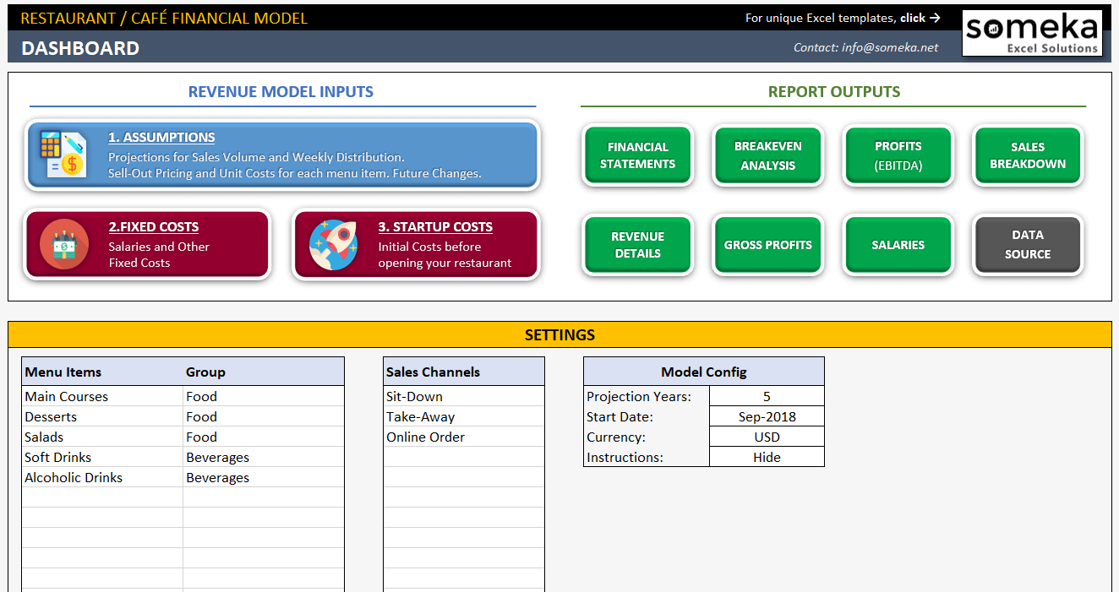
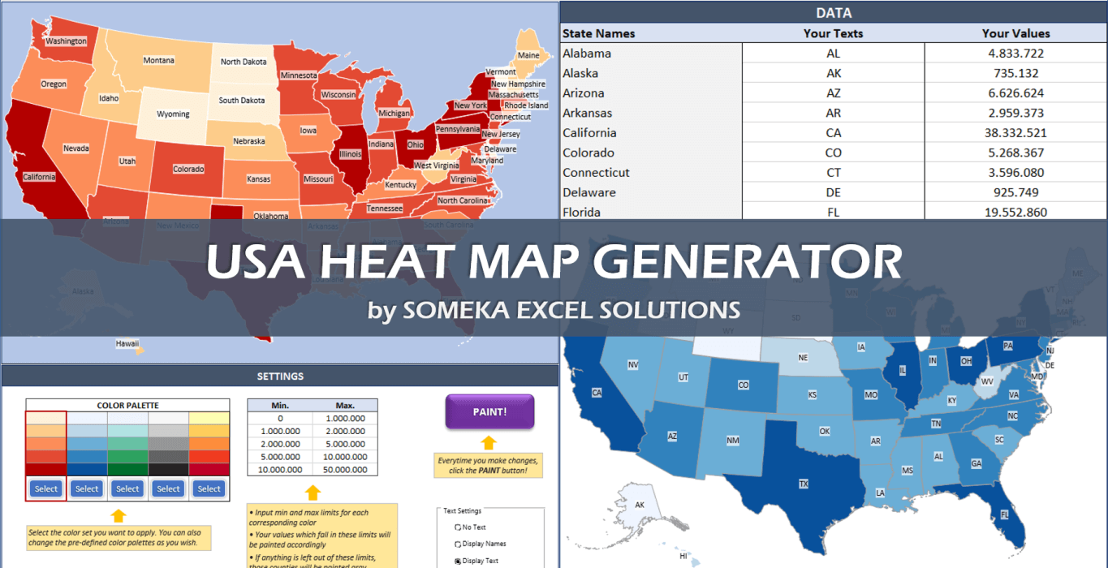
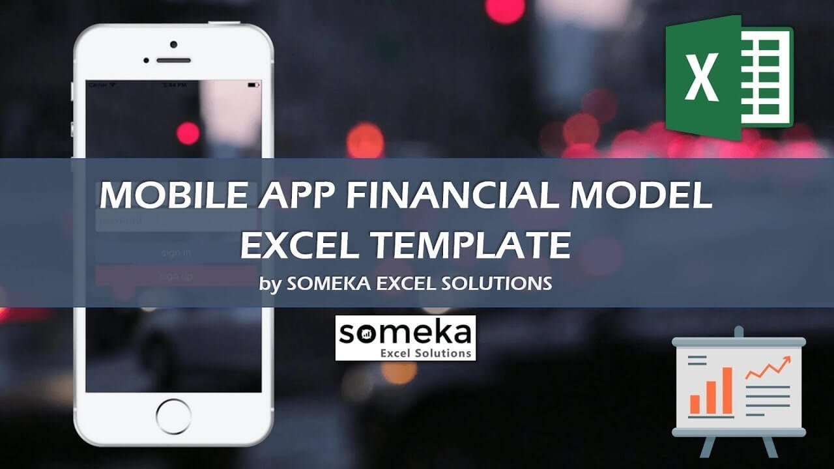
ORGANIZATION CHART GENERATOR | KPI DASHBOARD TEMPLATES | GANTT CHART MAKER

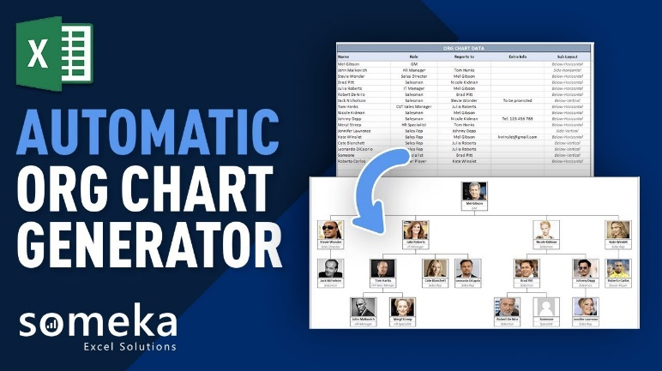
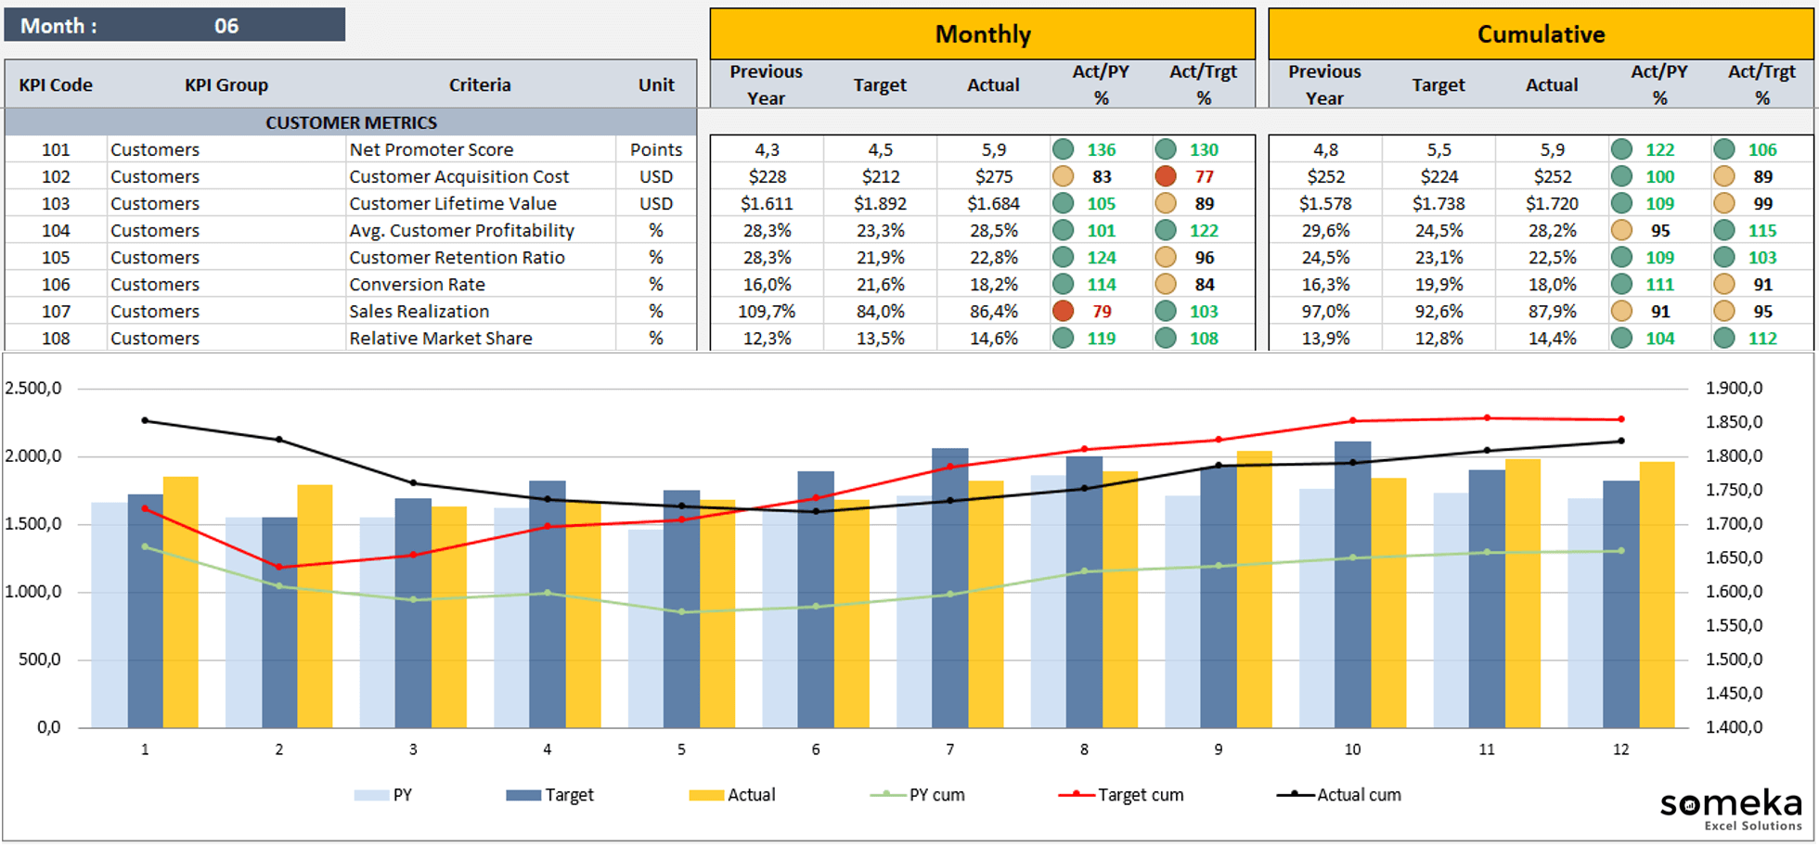
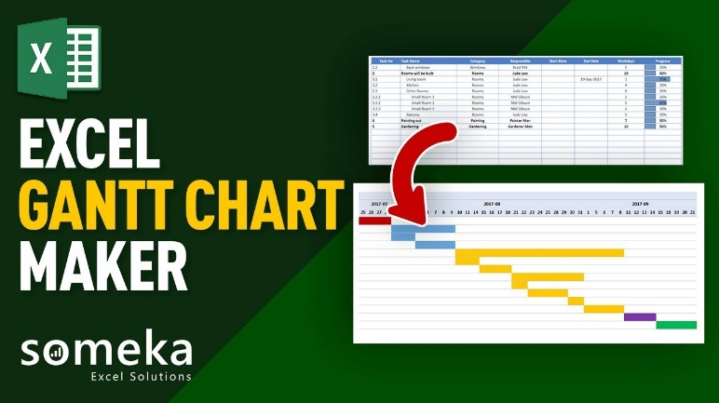

RESTAURANT / CAFÉ FINANCIAL MODEL | HEAT MAP GENERATORS | MOBILE APP FINANCIAL MODEL

